Regulations Ref
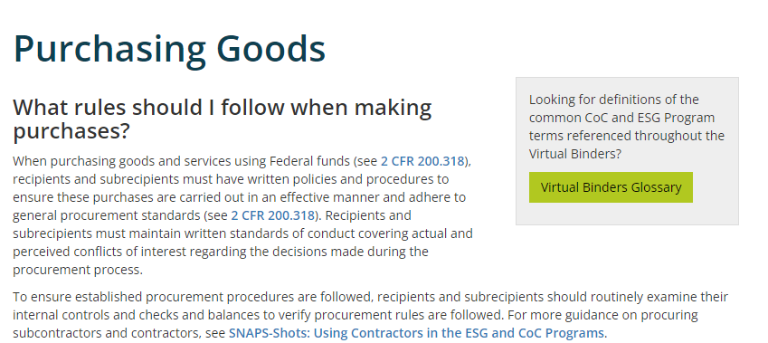
CoC Program Budget Template Resources & Guidance
Resources cover location of important information and guidance from the Continuum of Care (CoC) programs in order to successfully administer projects based on program and other related requirements.

Financial Management Overview:
Financial Management 101: Introduction
Financial Management 201: A Closer Look
Financial Management 201: Examining the Parts

Important Resources
CoC Program Interim Rule
Chapter 34 of the CPD Monitoring Handbook
2 CFR Part 200
Match Binder

Screen Shot Resources

